Sheet1
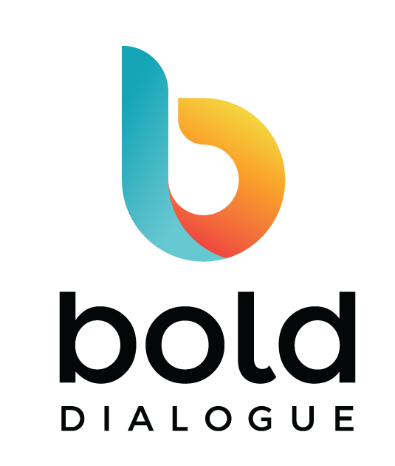
CREATED BY

 | LEADS PROJECTIONS CALCULATOR
 | <add your company name>
 | How many leads do we need to meet revenue goals?
 | Note: Change the numbers highlighted in Yellow cells only. Rest of the numbers will change automatically through embedded formula.
 | WITH CURRENT CONVERSION RATES |  | WITH IMPROVED CONVERSION RATES
 | Last year new business revenue | 1,000,000 | 1,000,000 | Last year new business revenue
 | This year new business revenue goal | 5,000,000 | 5,000,000 | This year new business revenue goal
 | Average order/deal value | 100,000 | 100,000 | Average order/deal value
 | Number of new deals to be closed for the year | 50 | 50 | Number of new deals to be closed for the year
 | Average conversion rate - qualified opportunities converted to deals won (typically 5-40%) | 20% | 30% | With improved sales process, effective tools and relevant content you are able to increase the conversion rate by 2 to 4 times.
 | Number of SQL (Sales Qualified Leads) needed | 250 | 167 | Number of SQL (Sales Qualified Leads) needed
 | Average conversion rate from MQL (Marketing Qualified Leads)to SQL leads (Typically 10-20%) | 10% | 30% | With optimized website, content and converstion points, you should be able to increase the ratio of sales ready leads by
 | Number of MQL (Marketing Qualified Leads) needed for the year | 2500 | 556 | Number of MQL (Marketing Qualified Leads) needed for the year
 | Average monthly MQLs | 208 | 46 | Average monthly MQLs

 | Looking for help with recommendations on how to meet your qualified leads goals month after month?
 | Schedule time to discuss with one of our lead generation experts.
© 2020 Bold Dialogue. All Rights Reserved |  |  |  | www.bolddialogue.com

